Serviços
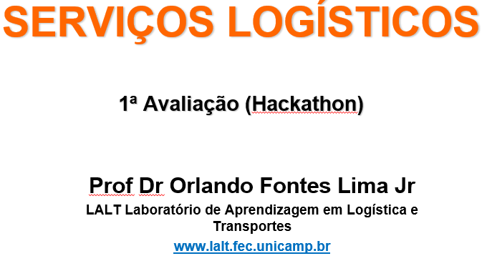
 | MOTORISTAS PRÓPRIOS
 | Funcionário | Horário Entrada | Alocação
1 | Adelino
2 | Adenilso
3 | Aguinaldo
4 | Alan
5 | Amaro
6 | Aparecido
7 | Atenilson

 | AJUDANTES
 | Funcionário | Horário Entrada | Motorista
1 | Anderson
2 | Arnaldo
3 | Cleomar
4 | Dalmacio

 | VEÍCULOS DA FROTA
 | PLACAS | MOTORISTA / SITUAÇÃO | Mts³
1 | EZU-9798 - Iveco |  | 12
2 | EZU-9799 - Iveco |  | 12
3 | EZU6J94 - Iveco |  | 12
4 | FPV-3063 - Iveco |  | 12
5 | FPV-3063 - Iveco |  | 12
6 | FEI-1463 - 3/4 |  | 25
7 | GAR-6997 - 3/4 |  | 25
 |  |  | 110

 | Informações Adicionais sobre a capacidade de atendimento. |  |  | VANS/VUC - AGREGADOS
1 | Veículos próprios disponíveis |  | 7
2 | Motoristas disponíveis |  | 7 |  | Prestador | Placa | Horário | Mts Cúbicos
3 | Ajudantes disponíveis |  | 4 | 1 | Marcelo | EJX1H01 |  | 12
4 | Motoristas terceiros disponíveis |  | 4 | 2 | Sérgio | FEI-1592 |  | 12
5 | Capacidade total de carga mts³ |  | 158 | 3 | Wanderlei | GFJ-8460 |  | 12
6 | Capacidade das Ivecos (ton) |  | 1.5 | 4 | Nivaldo | ENP-5786 |  | 12
7 | Capacidade dos 3/4 (ton) |  | 5 |  |  |  |  | 48
8 | Custo veículo Skill + Motorista + Ajudante |  | 650
10 | Custo veículo terceiro |  | 550

